Traffic Generation Input Tab-1
2023-04-28
Traffic Generation Diagram
 |  |  |  |  |  | [PM Peak]

 |  |  |  |  |  |  |  |  | RTL Channelized | No | % Reduction if Channalized | 100%

 |  |  |  |  |  | (AM / Sat Peak) |  |  | Opposing Traffic Volumes Provided | No | Opposing based on [AM / Sat] / (PM)

 |  |  |  |  |  | ADT

 |  |  |  |  |  |  |  | `

 |  | [PM Peak] | (AM / Sat Peak) | ADT |  |  | ADT | (AM / Sat Peak) | [PM Peak]

 |  |  |  |  | (10 yr) Road Peak Opp Volume | (AM / Sat Peak) | [PM Peak]
 |  |  |  |  |  | 5 | 5 | 0 | 0

 |  |  |  | Roadway AADT From DelDOT Traffic Summary:

 |  |  |  | Committed Development AADT:

 | Notes: 1. Fill in the volumes on the Traffic Generation Diagram tab consistent with the Traffic Generation Diagram created for the Entrance Plan. i. If the proposed entrance will create the fourth leg to an existing entrance, separate Auxiliary Lane Worksheets shall be completed and submitted for review of both the proposed entrance and the existing entrance. ii. If the proposed entrance will create the fourth leg to an existing T intersection (2 roads), an Auxiliary Lane Worksheet shall be completed for the proposed entrance and all other approaches will need further evaluation per the Development Coordination Manual and associated state and federal manuals (i.e. AASHTO Green Book). 2. If the entrance is an existing access point, left turn and right turn ADT and peak hour volumes shall include site traffic and existing roadway traffic. 3. If opposing roadway traffic volumes were collected, include in the worksheet. 4. If the opposing right-turn movement is channelized, a reduction may be included in the worksheet. Justification for reduction shall be submitted to DelDOT Development Coordination Section for review. 5. If Committed Development traffic information is known, include in the worksheet. This information is commonly included in a Final TIS. 6. In the Aux Lane Inputs - Tab 2, fill in the cells with GREEN text. i. If opposing roadway traffic volumes were collected and/or the opposing right- turn movement is channelized, the Left Turn VPH should be the same peak hour as the peak hour chosen for the opposing through and right turn volumes within the Traffic Generation Diagram tab. 7. To obtain further clarification on how ADT is determined per approach, see Left-Right Approach Example tab within the DelDOT Auxiliary Lane Worksheet.

Aux Lane Inputs-Tab 2
2023-04-28 |  |  |  |  |  |  |  |  |  |  |  | V2020.3
DelDOT Auxiliary Lane Worksheet
Roadway Information and Entrance
Name of Project |  |  |  |  |  | Date of Submittal
Maintenance Road No. (i.e. K234A) |  |  |  |  |  | Road Name
*L1
Signalized / Unsignalized |  |  |  |  |  | Posted Speed Limit
X
Roadway ADT (From DelDOT Traffic Manual) |  |  |  | 0 |  | Traffic Pattern Group
100' taper
Left Approach Site ADT | 0 | Committed Development ADT | 0 | Total Left Approach ADT | 0 | Right Approach Site ADT | 0 | Committed Development ADT | 0 | Total Right Approach ADT | 0
X
X
Total Number of Through Lanes (Does Not Include Turn Lanes) |  |  |  |  |  | Number of intersection legs
25'
Roadway Functional Classification |  |  |  |  |  | Calculation for (specify leg)
X
X
Left-Approach Projected 10 yr Roadway ADT + Total Site + Committed Development ADT |  |  |  | 0 |  | Right-Approach Projected 10 yr Roadway ADT + Total Site + Committed Development ADT |  |  |  | 0
X
X
K Factor |  |  |  | #N/A |  | D Factor |  |  |  | #N/A
Left Turn Information |  |  |  |  |  | Right Turn Information
Left Turn VPH |  |  |  |  |  | Right Turn ADT |  |  |  | 0-50
*L1
X
X
X
X
50' taper
Left Turn Approach Grade |  |  |  |  |  | Right Turn Approach Grade
Heavy Vehicle % |  |  |  |  |  | Effective Radius of Entrance
10 Yr Opposing Vol. (Manual Input - Veh/hr) |  |  |  | 0
50' taper
10 Yr Opposing Volume (Calculated) |  |  |  |  |  | Right Turn Length |  |  |  | #N/A
10 Yr Opposing Volume (Calculated Vol.) |  |  |  |  |  | X
Left Turn Length
Bypass Lane Approach Taper |  |  |  | Bypass not Required
Bypass Lane Departure Taper |  |  |  | Bypass not Required
Bypass Lane Storage |  |  |  | Bypass not required
The Engineer shall contact DelDOT Development Coordination section.
NOTE: This worksheet is for Right Turn Auxiliary Lanes, and Unsignalized Left Turn Auxiliary Lanes. If a signal analysis is required, please refer to signalized intersection analysis spreadsheet (Tab 6). *L1 - See Typical Entrance Diagram located at: http://www.deldot.gov/information/business/subdivisions/Typical_Entrance_Diagrams.pdf

Left - Right Approach Example
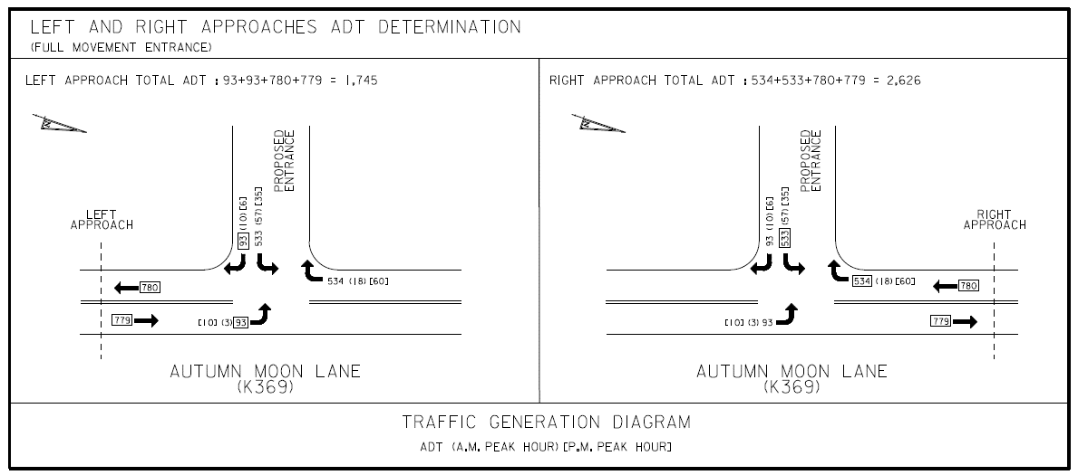

Left Turn Lane-Tab 3
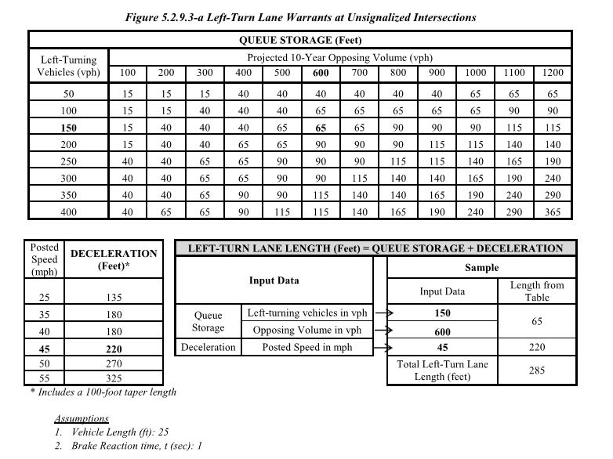
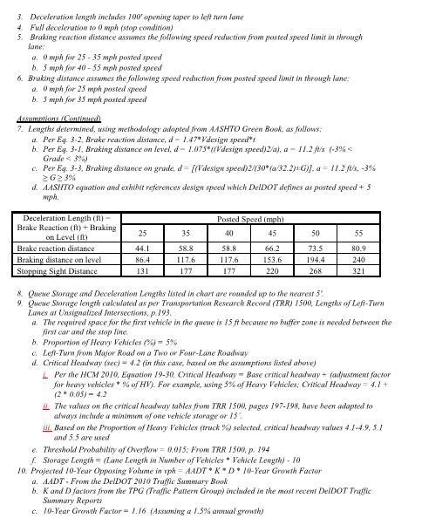

Deceleration Length (ft) = Brake Reaction (ft) + Braking on Level (ft) | Posted Speed (mph) |  |  |  |  |  |  | 10 Year Opposing Volume: Peak Hour %
 | 25 | 30 | 35 | 40 | 45 | 50 | 55 | Traffic Pattern Group | K-Factor | D-Factor | KxD-Factor | Truck %
Brake reaction distance | 44.1 | 51.5 | 58.8 | 58.8 | 66.2 | 73.5 | 80.9 | 1 | 10.50 | 56.70 | 5.95% | 6.3
Braking distance on level | 86.4 | 117.6 | 117.6 | 117.6 | 153.6 | 194.4 | 240 | 2 | 10.90 | 56.30 | 6.14% | 0.9
Stopping Sight Distance | 131 | 169 | 177 | 177 | 220 | 268 | 321 | 4 | 12.40 | 58.60 | 7.27% | 0.8
 |  |  |  |  |  |  |  | 5 | 11.80 | 55.10 | 6.50% | 1.9
 |  |  |  |  |  |  |  | 7 | 14.20 | 58.90 | 8.36% | 1.7
 |  |  |  |  |  |  |  | 8 | 10.30 | 53.80 | 5.54% | 1.1

